Convert DD Usage to Coralogix
DD Usage

Infra Hosts | Custom Metrics | Indexed Logs - Live & Rehydrated (Million) | Indexed Logs - 15 Day Retention (Million) | Rum Sessions |  |  |  |  | APM Host | 3,130 | 447
411 | 40028 | 2180 | 0 | 5066 |  |  |  |  | CI Spans Indexed | 4,468 | 638
Ingested Spans (GB) | Indexed Spans (Million) | Ingested Logs (Live & Rehydrated) (GB) | Indexed Logs - 90 Day Retention (Million) | Analyzed Logs - (Security) - 15m retention (GB) | Fargate Tasks |  |  |  | CI Spans Indexed | 74,360 | 10,623
11 | 0.337 | 7390 |  | 2410 |  |  |  |  | Cloud SIEM | 147,734 | 21,105
APM Hosts | Profiled Hosts | Containers | Profiled Containers | Custom Events | Serverless Functions |  |  |  | Custom Metrics | 2,395,069 | 342,153
0 | 20 | 5332 | 0 | 11261 | 619000 |  |  |  | Database Monitoring | 36 | 5
 |  |  |  |  |  |  |  |  | Fargate Tasks (APM) | 3,705 | 529
Coralogix Sizing |  |  |  |  |  |  |  |  | Fargate Tasks (Infra) | 4,745 | 678
Logs |  |  |  | Logs |  |  |  |  | Indexed Spans - 15 Days | 2,477,290,837 | 353,898,691
Total Ingested Logs | 9,800 | GB/month |  | 21.21% | Current indexed percentage |  | Hourly | Hosts | Infra Host | 16,438 | 2,348
Avg log size | 1 | KB |  | 327 | Total GB Logs / Day | Infra Hosts | 269,000 | 411 | Log Event - 15 Days | 4,349,881,668 | 621,411,667
Total Indexed Logs | 2,180,000,000 | Logs/month |  | 163 | GB / Day (FS) / 50% | Containers | 3,490,000 | 5332 | Log Event - 30 Days | 205,235,775,119 | 29,319,396,446
Total Indexed Logs Size (Bytes) | 2,232,320,000,000 | Bytes/month |  | 131 | GB / Day (Mon) / 40% | Profiled Containers | 0 | 0 | Log Ingestion | 549,417 | 78,488
Total Indexed Logs Size (GB) | 2079.01 | GB/month |  | 33 | GB/ Day (Comp) / 10% | APM Hosts | 1 | 0 | Network Hosts | 543 | 78
Total Indexed (GB) | 69.30 | GB / Day |  |  |  | Profiled Hosts | 0 | 0 | Pipeline Visability | 17 | 2
 |  |  |  | Metrics |  | Custom Metric Hours | 26,200,000 | 40028 | Profiled Hosts | 140 | 20

Metrics |  |  |  | 468,612,278 | TS (NumSeries) |  | Monthly | Daily | RUM Sessions | 2,004,975 | 286,425
Hosts | 619431 |  |  | 468612 | GB / Day | RUM Sessions | 154,000 | 5,066 | Sensetive Data Sessions | 414 | 59
Containers | 5,332 |  |  | 0.000033 | TS to Units |  |  |  | Serverless | 13,549 | 1,936
AVG 750 time series per node | 468,572,250 | TS (NumSeries) |  | 15464 | Metrics Units / Day |  |  |  | Synthetic - API Tests | 76,419,912 | 10,917,130
Custom Metrics (count, sum, min, max, avg,Value,p50, p75, p90, p95, p99) | 40,028 | TS (NumSeries) |  |  |  |  |  |  | Synthetic - Browser | 406,693 | 58,099
Promethues Metrics |  | NumSeries |  | Tracing
 |  |  |  | 4.53% | Current indexed percentage
Tracing |  |  |  | 0 | Total GB / Day (Ingest)
Ingested spans | 11 | GB/Month |  | 0 | Indexed Tracing GB/Day
Indexed spans | 0 | GB/Month |  | 0 | GB Traces Archive
Daily Ingested spans (Bytes) | 0 | GB/Day |  | 0 | GB Traces Indexed

 |  |  |  | Totals
 |  |  |  | Logs (GB) | 327
 |  |  |  | Metrics (NS) | 468,612,278
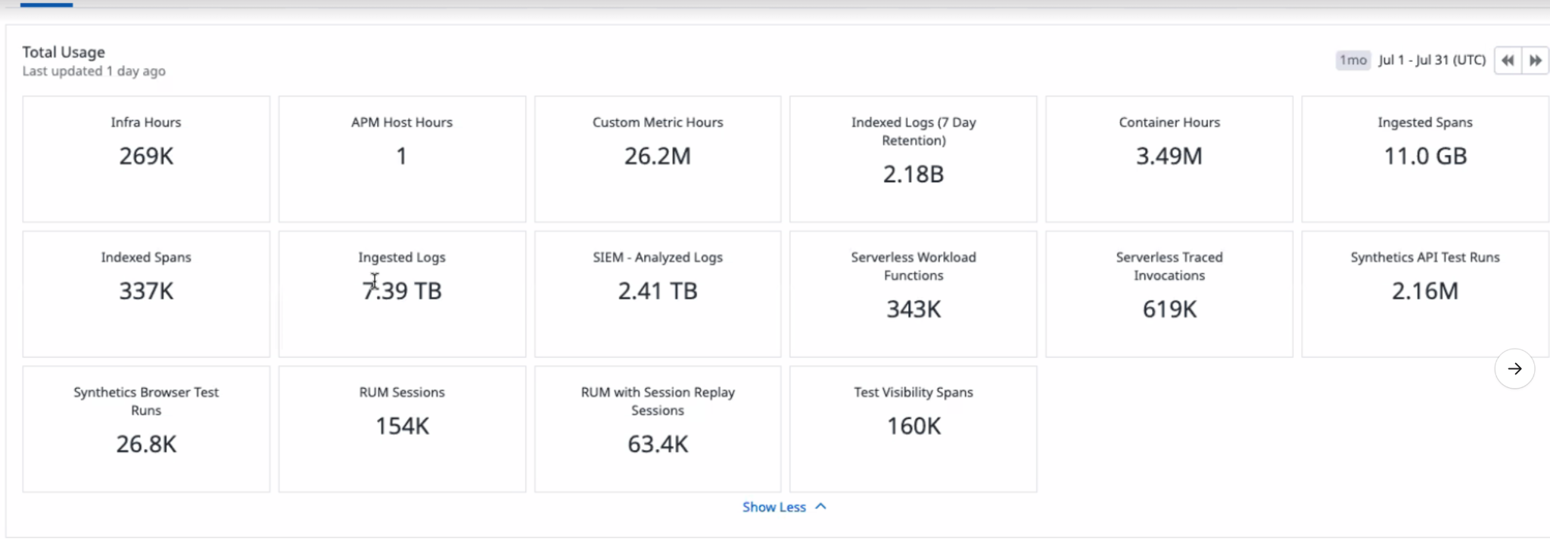
 |  |  |  | Tracing (GB) | 0 |  | `

 |  |  |  | Apply this information to the TCO Calculator

Convert DD hourly
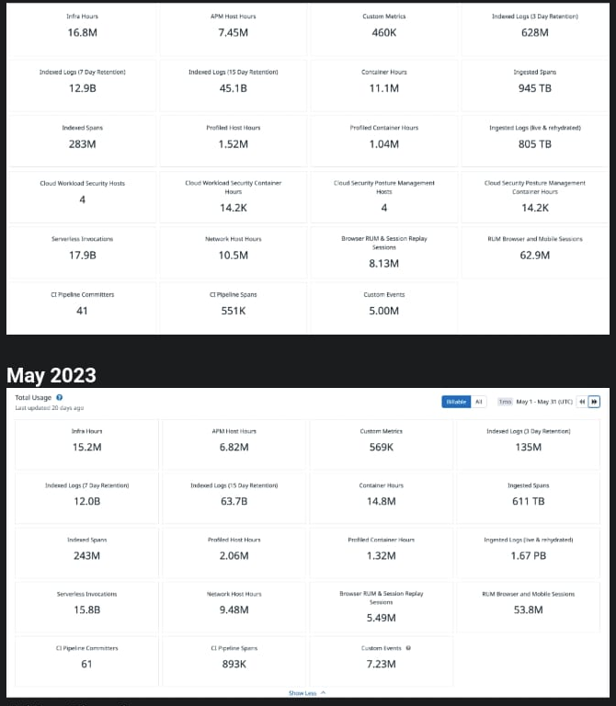
Convert Hourly to Hosts
 | Hourly | Hosts
Infra Hosts | 16,000,000 | 24444
Containers | 11,100,000 | 16958
Profiled Containers | 1,040,000 | 1589
APM Hosts | 7,450,000 | 11382
Profiled Hosts | 1,520,000 | 2322
Network hosts | 10,500,000 | 16042

